Bug Report
ID | B_001 | ID | B_002 | ID | B_003 | ID | B_004
Test Case ID | TC_004 | Test Case ID | TC_005 | Test Case ID | TC_026 | Test Case ID | TC_027
Title | View Function Could Be Show maximum 10 products When Click On It | Title | View Function Dosent Show 50 products When Click On It | Title | View Function Could Be Show maximum 10 products When Click On It | Title | View Function Dosent Show 50 products When Click On It
Description | View Function Could Be Show 10 products When Click On It but The Page Crashed | Description | View Function Could Be Show 50 products When Click On It but The Page Crashed | Description | View Function Could Be Show 10 products When Click On It but The Page Crashed | Description | View Function Could Be Show 50 products When Click On It but The Page Crashed
Steps | 1- Go To https://academybugs.com/store/ 2- Navigate To Above The First product From The Left 3- Click On Button Number 10 | Steps | 1- Go To https://academybugs.com/store/ 2- Navigate To Above The First product From The Left 3- Click On Button Number 50 | Steps | 1- Go To https://academybugs.com/store/all items 2- Navigate To Above The First product From The Left 3- Click On Button Number 10 | Steps | 1- Go To https://academybugs.com/store/all items 2- Navigate To Above The First product From The Left 3- Click On Button Number 50
Expected Results | maximum 10 products Should Be Shown And quantity Confirmed By A Massege Beside The View Function | Expected Results | 50 products Should Be Shown And Confirmed By A Massege Beside The View Function | Expected Results | maximum 10 products Should Be Shown And quantity Confirmed By A Massege Beside The View Function | Expected Results | maximum 50 products Should Be Shown And quantity Confirmed By A Massege Beside The View Function
Actual Result | The Page Crached | Actual Result | The Page Crached | Actual Result | The Page Crached | Actual Result | The Page Crached
Environment | Microsoft Edge V.97 | Environment | Microsoft Edge V.97 | Environment | Microsoft Edge V.97 | Environment | Microsoft Edge V.97
Attachments | 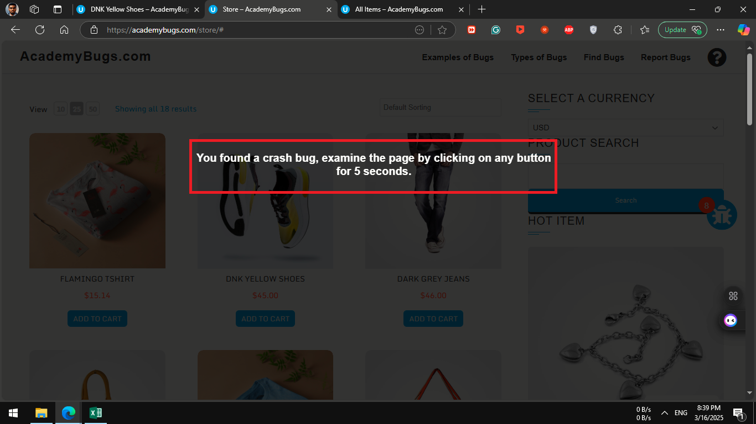 | Attachments | 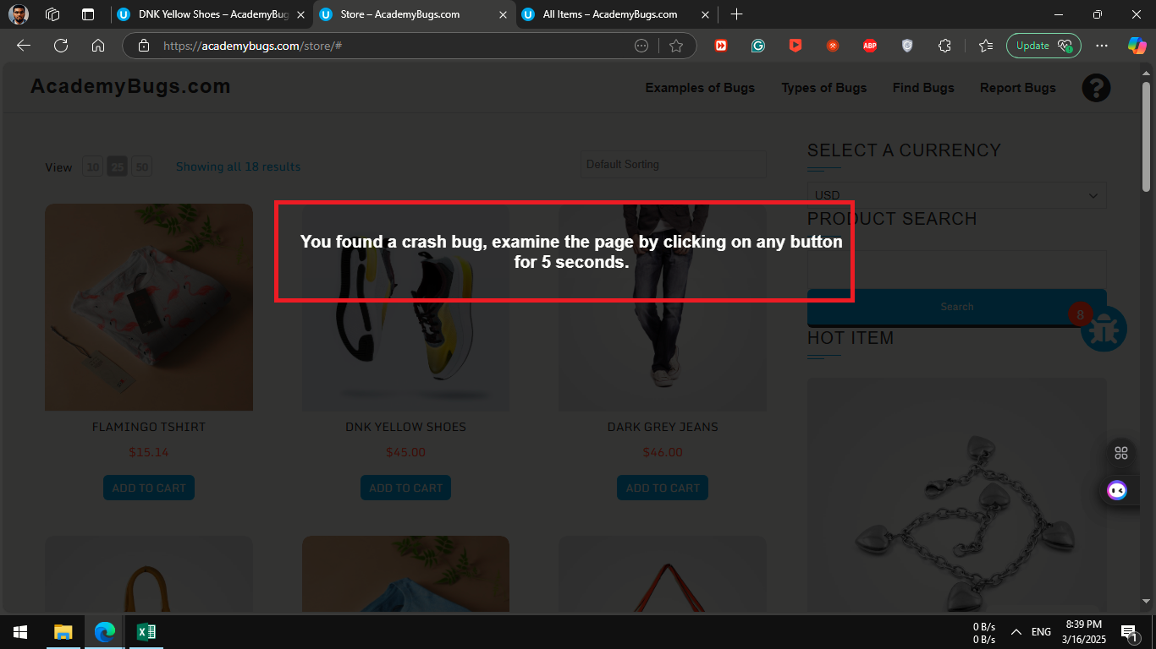 | Attachments |  | Attachments | 
severity | Critical | severity | Critical | severity | Critical | severity | Critical
Priority | Critical | Priority | Critical | Priority | Critical | Priority | Critical
Frequency | Every Time | Frequency | Every Time | Frequency | Every Time | Frequency | Every Time
Type | crash | Type | crash | Type | crash | Type | crash

ID | B_005 | ID | B_006 | ID | B_007 | ID | B_008
Test Case ID | TC_039 | Test Case ID | TC_053 | Test Case ID | TC_054 | Test Case ID | TC_055
Title | All products Must Be In The Same Style And The position Aligned | Title | The product section must have product mini describtion and it color should be in black | Title | The product section must have product main describtion and it color should be in black | Title | The product section must have product Manufacturer Name and it should be linked to its page
Description | The style of products photo does not fill the border | Description | The product's mini describtion showed under the product image but with wrong describtion and wrong language | Description | The product's main description showed beside the under image with title ' Description ' but with wrong description and wrong language | Description | The product's Manufacturer name showed and it navigated to Error 404 not found page
Steps | 1- Go To https://academybugs.com/store/all items 2- Navigate To Store | Steps | 1- Go To Any product page, ex ( https://academybugs.com/store/flamingo-tshirt/ ) 2- Navigate To product mini discribtion beside the image | Steps | 1- Go To Any product page, ex ( https://academybugs.com/store/flamingo-tshirt/ ) 2- Navigate To product main discribtion under the image | Steps | 1- Go To Any product page, ex ( https://academybugs.com/store/flamingo-tshirt/ ) 2- Navigate To product Manufacturer under quantity add control
Expected Results | products will be show in the same style and the postion aligned | Expected Results | The product's mini describtion will be shown beside the product image | Expected Results | The product's main describtion will be shown under the product image with title ' Description ' | Expected Results | The product's Manufacturer name will be shown and it will navigate to its page
Actual Result | The style of all products that include add to cart button photo does not fill the border | Actual Result | The product's mini describtion showed under the product image but with wrong describtion and wrong language | Actual Result | The product's main description showed beside the under image with title ' Description ' but with wrong description and wrong language | Actual Result | The product's Manufacturer name showed and it navigated to Error 404 not found page
Environment | Microsoft Edge V.97 | Environment | Microsoft Edge V.97 | Environment | Microsoft Edge V.97 | Environment | Microsoft Edge V.97
Attachments | 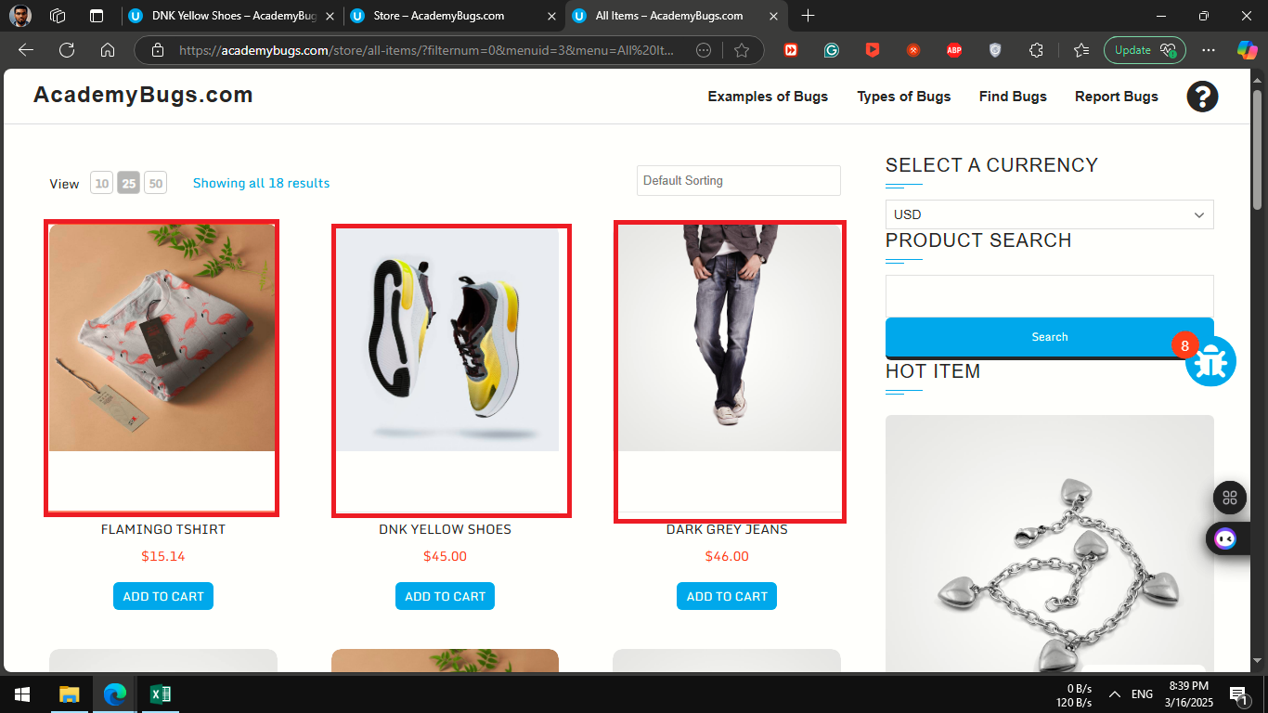 | Attachments | 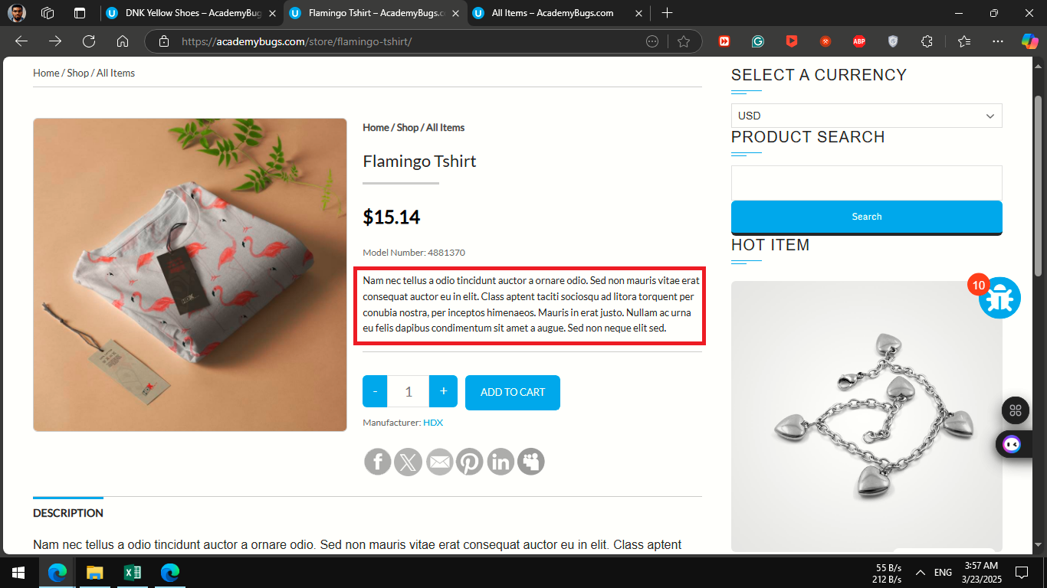 | Attachments | 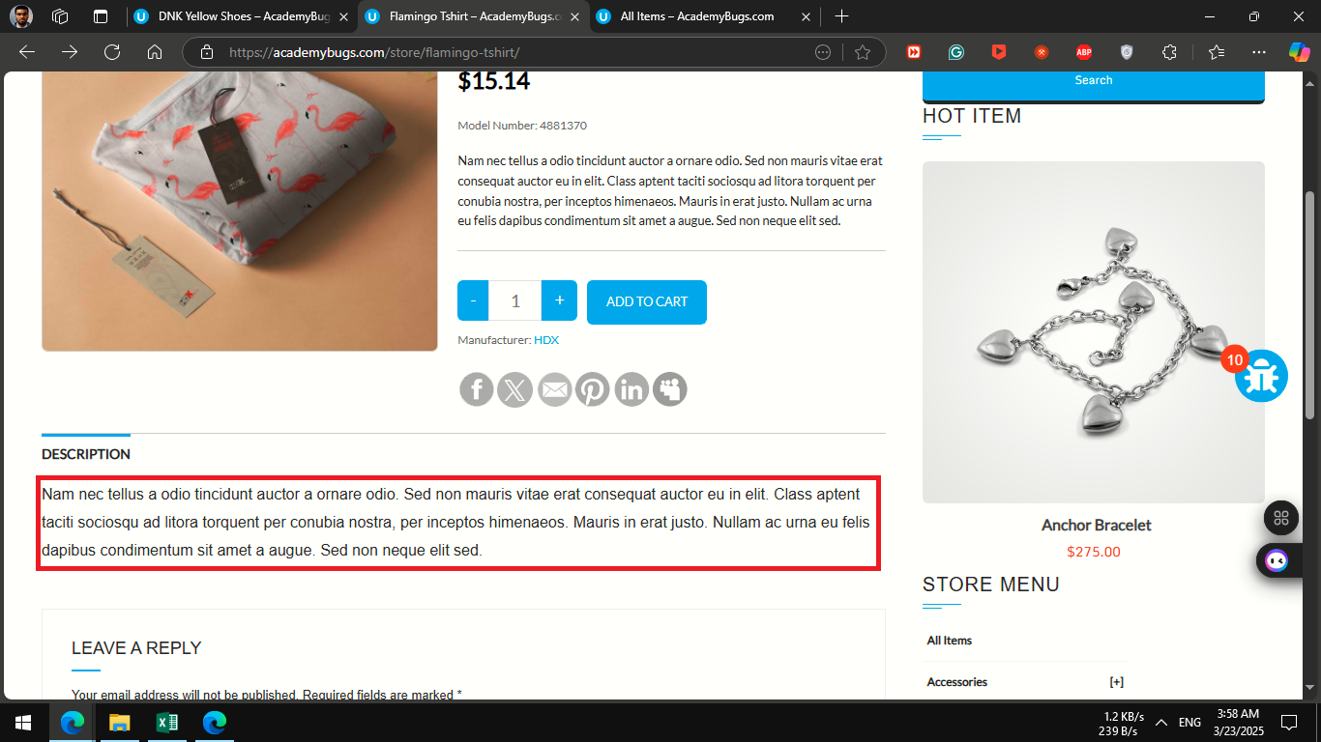 | Attachments | 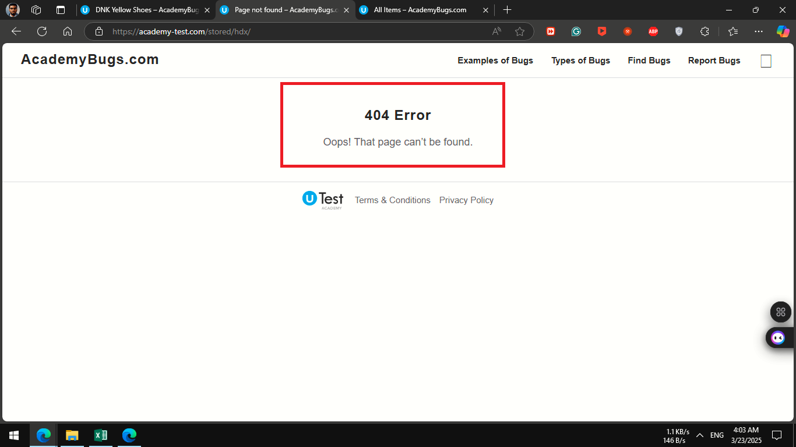
severity | high | severity | medium | severity | medium | severity | high
Priority | medium | Priority | low | Priority | low | Priority | medium
Frequency | Every Time | Frequency | Every Time | Frequency | Every Time | Frequency | Every Time
Type | visual | Type | content | Type | content | Type | Functional

ID | B_009 | ID | B_010 | ID | B_011 | ID | B_012
Test Case ID | TC_057 | Test Case ID | TC_061 | Test Case ID | TC_065 | Test Case ID | TC_066
Title | The product share section must have option to share by X | Title | The product share section must have option to share by myspace | Title | The product Comment section must have a 4 text box 2 reqired ( name and email ) and last one not reqired ( Comment andWebsite ) and comment with post comment button | Title | The products which have select option button in store and find bugs pages must have to Select Color / size option before add to cart
Description | View Function Could Be Show 10 products When Click On It but The Page Crashed | Description | The Myspace logo was visible, but the product could not be shared. When clicking on the Myspace logo, a page appeared with a loading loop and a "please wait" message and nothing happened . | Description | The style of the Second product's photo in The First row does not fill the border, and The Div is smaller than other products | Description | when click on the color / size border which under the select color / size , color / size name will be shown beside the select color / size section and can Not add to cart without select the color / size of the product BUT 'Orange' and 'Yellow' was shown misspelled
Steps | 1- Go To Any product page, ex ( https://academybugs.com/store/flamingo-tshirt/ ) 2- Navigate To product share links under Manufacturer 3- click on X logo | Steps | 1- Go To Any product page, ex ( https://academybugs.com/store/flamingo-tshirt/ ) 2- Navigate To product share links under Manufacturer 3- click on myspace logo | Steps | 1- Go To Any product page, ex ( https://academybugs.com/store/flamingo-tshirt/ ) 2- Navigate To Comment section 3- fill the comment Section 4 - click onpost comment button | Steps | 1- Go To Any product page, ex ( https://academybugs.com/store/denim-coat/ ) 2- Navigate To Select Color 3- check all colors
Expected Results | The x logo will be shown and the Product can be shared by x when clicking on the x logo | Expected Results | The myspace logo will be shown and the Product can be shared by myspace when clicking on the myspace logo | Expected Results | The traniee can type and post comment after filling the text boxes and the trainee will cannot comment if the required field is not written | Expected Results | when click on the color / size border which under the select color / size , color / size name will be shown beside the select color section and the product can be add without select the color / size of product
Actual Result | The X logo showed But the Product could not be shared by x And an not reachable page Showed when clicked on the x logo. | Actual Result | The Myspace logo was visible, but the product could not be shared. When clicking on the Myspace logo, a page appeared with a loading loop and a "please wait" message and nothing happened . | Actual Result | The traniee can type the comment but cannot post comment because the page crashed | Actual Result | when click on the color / size border which under the select color / size , color / size name will be shown beside the select color / size section and can Not add to cart without select the color / size of the product BUT 'Orange' and 'Yellow' was shown misspelled
Environment | Microsoft Edge V.97 | Environment | Microsoft Edge V.97 | Environment | Microsoft Edge V.97 | Environment | Microsoft Edge V.97
Attachments | 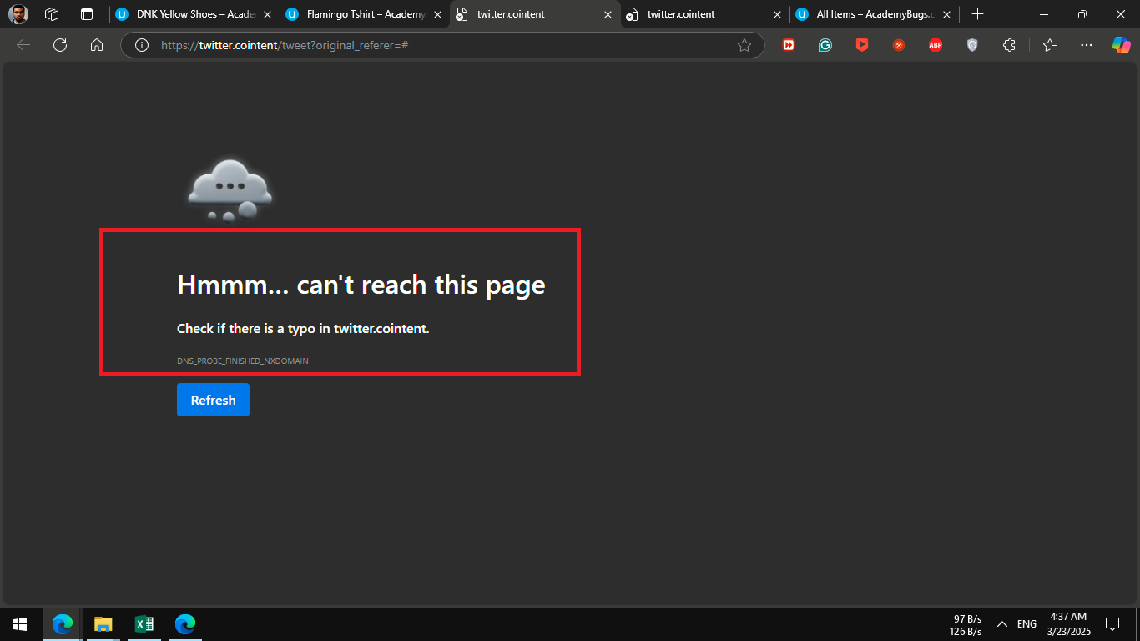 | Attachments | 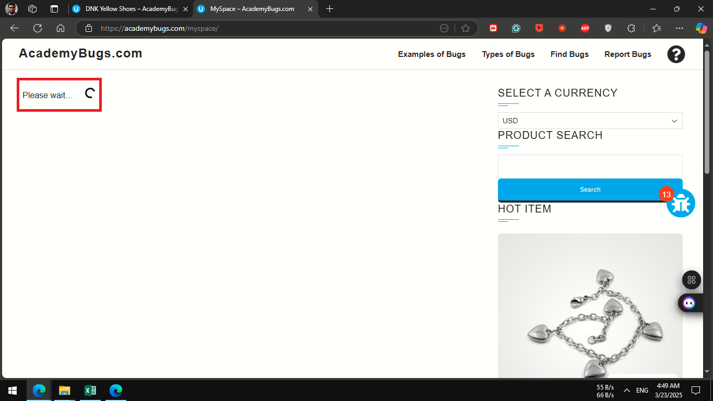 | Attachments | 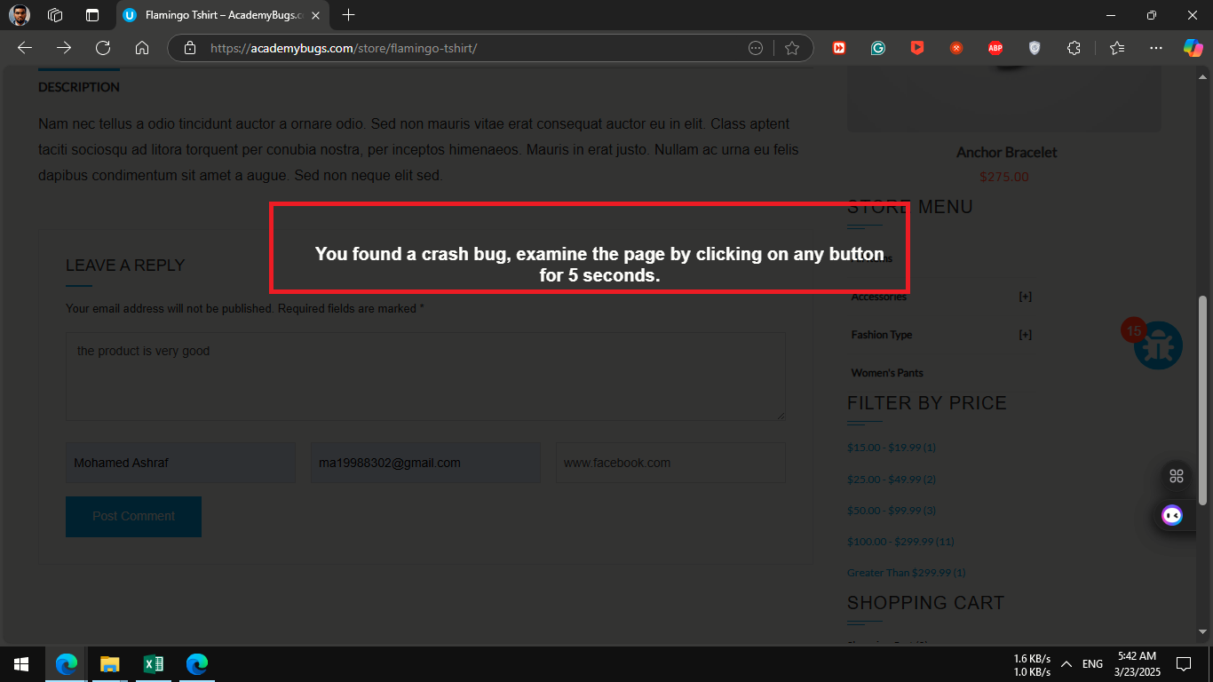 | Attachments | 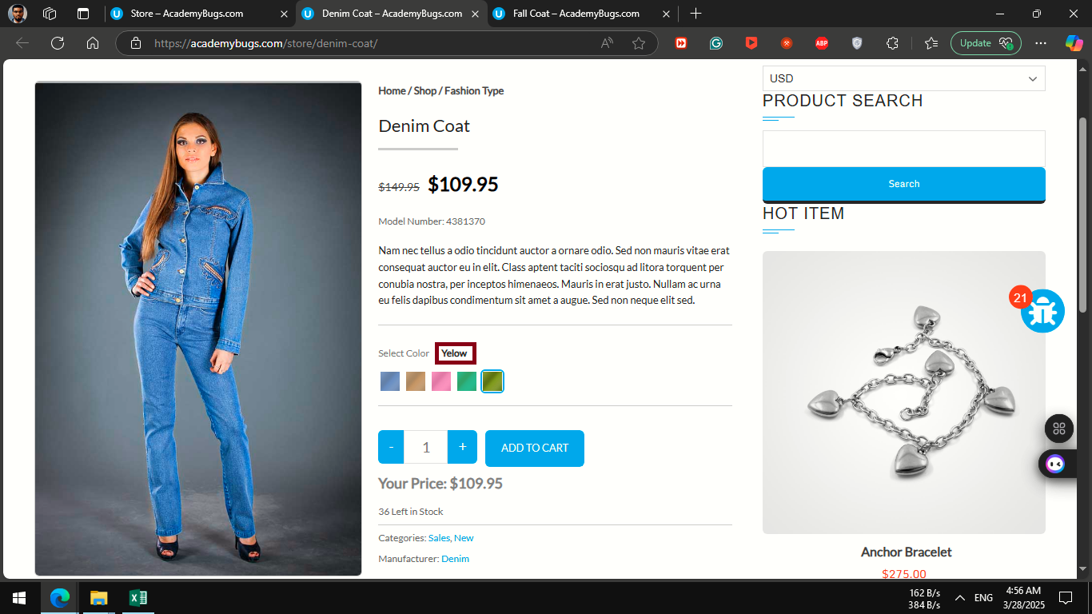 | 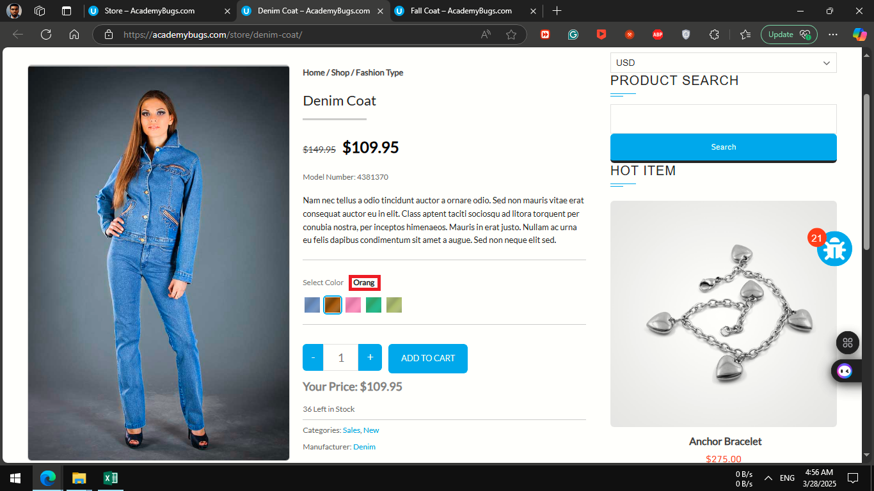
severity | low | severity | low | severity | high | severity | low
Priority | low | Priority | low | Priority | medium | Priority | low
Frequency | Every Time | Frequency | Every Time | Frequency | Every Time | Frequency | Every Time
Type | Functional | Type | Functional | Type | crash | Type | content

